Home
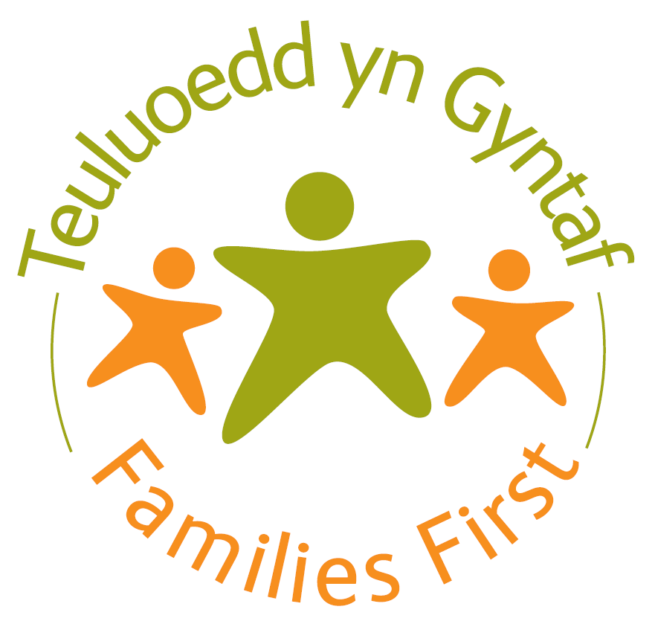


Families First Monitoring Form

This data collection is being undertaken by the Welsh Government.

Choose your preferred language / Dewiswch eich iaith penodol | Saesneg/English

PROVIDER DETAILS

Local Authority |  | û

Please enter the name of the main contact in relation to this return |  | û
Please enter the telephone number for this contact |  | û
Please enter the e-mail address for this contact |  | û

This form has been split into 3 sections:
Projects and Activities
Quarterly JAFF TAF
National Perf Measures

 |  | Version 4

