2.2 & 2.3 Additional water
Additional water entering stores - Including rainfall directly on to uncovered stores, wash water and all run-off, including yard areas, weeping walls, silage clamps and roof water |  |  | Return to Overview

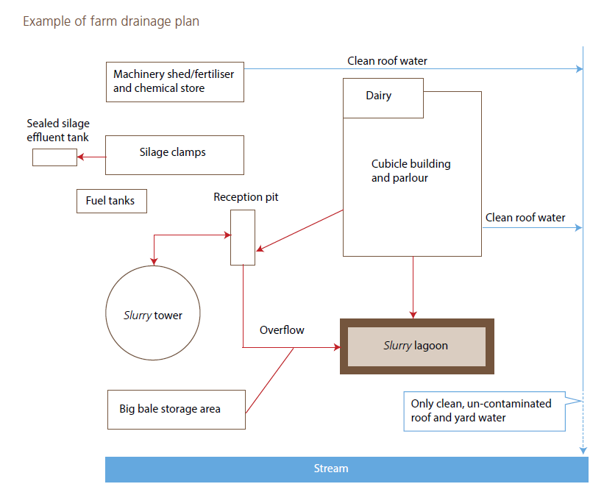

[1C] Uncovered area (m2) |  | m2

[1D] Typical rainfall during the storage period (mm) |  | mm

Rainfall data for the 5 month storage period is available via the below link
https://datamap.gov.wales/maps/974

[1E] Volume (m3) | 0 | m3

Dairy Wash Water Stored with Slurry

Number of animals
Daily wash water volume per animal (litres) |  | litres
Storage period conversion factor | 0.152
[1J] Total volume of dairy wash water (m3) | 0 | m3

[1K] All additional foul runoff entering slurry stores (m3) |  | m3

[1L] Total volume of slurry produced during the storage period (m3) | 0 | m3

