Contents
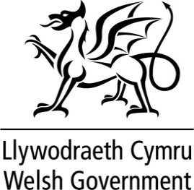
WELSH LOCAL GOVERNMENT REVENUE SETTLEMENT 2026-2027
For information
Source | Welsh Government
Notes
The following tables provide underlying data on the apportionment of the Standard Spending Assessment (SSA) for each Sector and Service indicator based assessment (IBA)
Date published: March 2026

Contents
Table 1: Breakdown of Funding
Table 2: Revenue Account Data
Table 3: Revenue Outturn Data
Table 4: Sector Actuals
Table 5: Service IBA Actuals

Contact:
LGFPSettlement@gov.wales

