Table 2
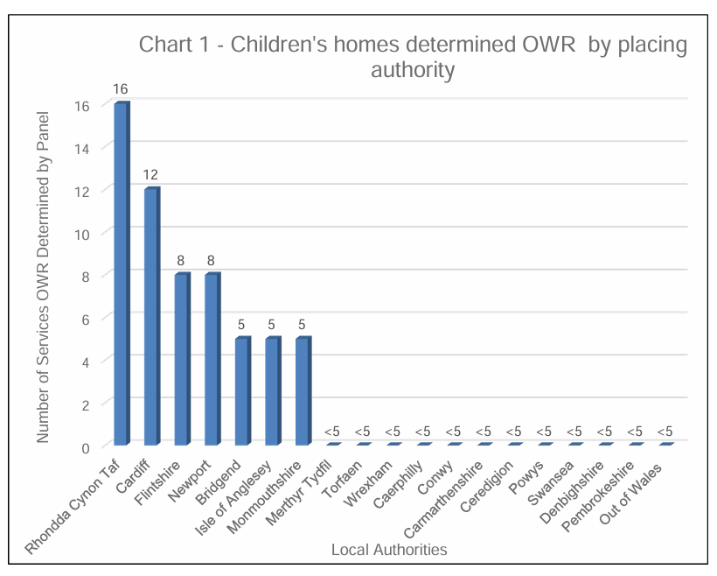
Table 2: Number of care homes for children that were determined as operating without registration (OWR) in Wales, broken down the placing local authority, from 1 April 2022 to 31 March 2023.

Please note: These figures do not represent the number of individual children placed in services operating without registration but the number of care homes that were operating without the correct registration. The figures may include the same child more than once, or more than one child in each service.

For the financial year 2022-2023 CIW produced a one off deep dive report into the number of care homes of children that were detetmined as operating without registrartion (OWR) during that financial year. This report can be read here. This is the only information we are able to gain from that financial year, due to all our systems changing in 2026.

