Guidance Notes
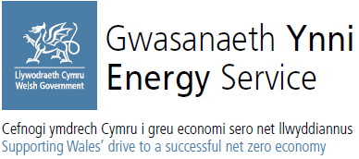
 |  |  | Version Control: v2.0 | 2026-08-17

 |  | Application Form

Decarbonisation Project Design and Development Grant

Please complete all sections as listed below:

1. Application | Within sections the following colour coding applies:
 | Blue cells | = user input
 | Green cells | = automatically calculated

Please refer to the Guidance released alongside this form, for eligibility criteria and grant conditions.

Important Notes

This form can be filled in for up to 10 sites, should there be more sites to your application, please fill out another form for these labelling as part two of your application.
Funding will only be granted to applicants that can assure projects can be INVOICED by 31st March 2027.
Applications must be supported by a sponsoring director, a signature will be required upon offer letters being provided.

Application Submissions

Please send completed application forms to development.grant@energyservice.wales
If you have any queries on the application process or the form itself, please use the address above.

Data Sharing Disclaimer

Please be advised that in submitting this application via e-mail, you consent to providing us with data necessary for our services.
We prioritise your privacy and take our responsibility to protect your information seriously.
For added assurance, we store all collected data on a secure drive that adheres to the industry standards of security.
This ensures that your data remains safe and inaccessible to unauthorised access at all times.
We adhere to strict data handling protocols in line with the UK GDPR and all other relevant data protection laws, in order to safeguard your information at all times.
By submitting this form, you acknowledge and accept that your data will be handled as described above. We recommend saving a copy of this disclaimer for your records.
Should you have any concerns or questions regarding our data security measures or the handling of your data, please feel free to contact us at:
enquiries@energyservice.wales

